Sheet1
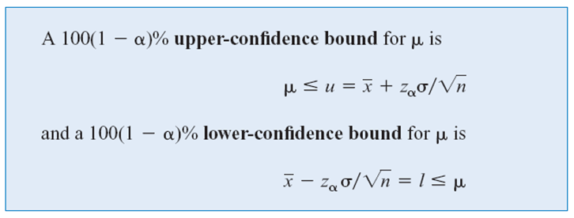
Sample | Energy
1 | 64.1
2 | 64.7
3 | 64.5
4 | 64.6
5 | 64.5
6 | 64.3
7 | 64.6
8 | 64.8 | mean (x-bar)
9 | 64.2 | z | =NORM.S.INV(1-0.05/2)
10 | 64.3 | s.d. (sigma) |  | z
 |  | Lower Bound |  | Upper Confidence Bound
 |  | Upper Bound

 |  |  |  | z
 |  |  |  | Lower Confidence Bound

 |  | E
 |  | n »
 |  | \ n =

